Table 1

Selected Acquisition Report (SAR)
RCS: DD-A&T(Q&A)823-284
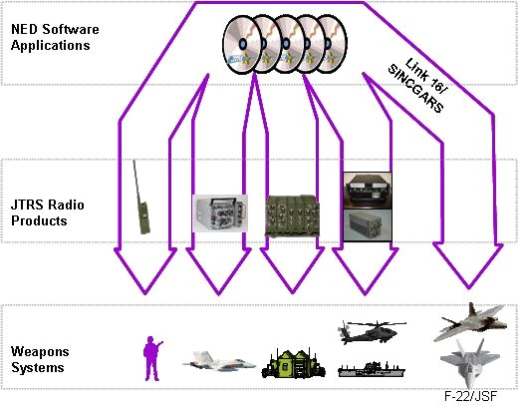
JTRS NED
As of December 31, 2011
Defense Acquisition Management Information Retrieval
(DAMIR)

Table 9
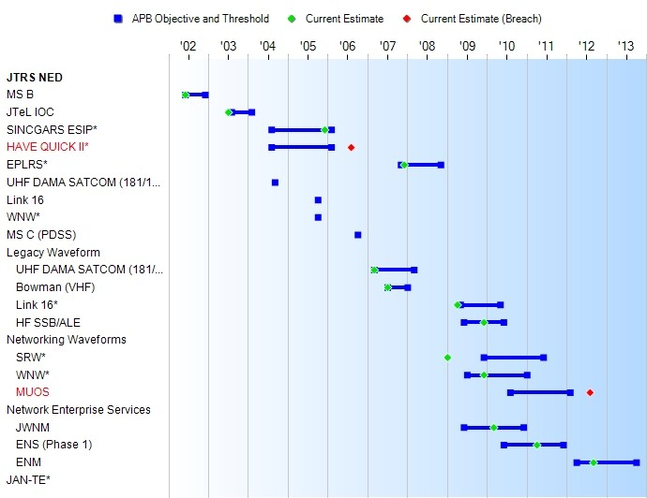
Schedule

Table 27
Unit Cost History
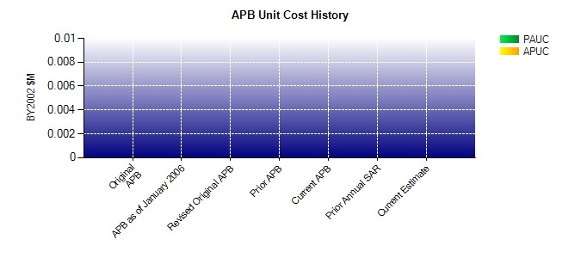
SAR Unit Cost History
Current SAR Baseline to Current Estimate (TY $M)
 |  |  |  |  |  |  | BY2002 $M |  |  |  |  | TY $M
 |  |  | Date |  |  |  | PAUC |  | APUC |  |  | PAUC |  | APUC
Original APB |  |  | JUN 2002 |  |  |  | N/A |  | N/A |  |  | N/A |  | N/A
APB as of January 2006 |  |  | JUN 2002 |  |  |  | N/A |  | N/A |  |  | N/A |  | N/A
Revised Original APB |  |  | N/A |  |  |  | N/A |  | N/A |  |  | N/A |  | N/A
Prior APB |  |  | JAN 2008 |  |  |  | N/A |  | N/A |  |  | N/A |  | N/A
Current APB |  |  | DEC 2009 |  |  |  | N/A |  | N/A |  |  | N/A |  | N/A
Prior Annual SAR |  |  | DEC 2010 |  |  |  | N/A |  | N/A |  |  | N/A |  | N/A
Current Estimate |  |  | DEC 2011 |  |  |  | N/A |  | N/A |  |  | N/A |  | N/A
Initial PAUC Dev Est | Changes |  |  |  |  |  |  |  |  |  |  |  | PAUC Current Est
 | Econ | Qty |  | Sch | Eng | Est |  | Oth |  | Spt | Total
0.000 0.000 0.000 0.000 0.000 0.000 0.000 0.000 0.000 0.000
Current SAR Baseline to Current Estimate (TY $M)
Initial APUC Dev Est | Changes |  |  |  |  |  |  |  |  |  |  |  | APUC Current Est
 | Econ | Qty |  | Sch | Eng | Est |  | Oth |  | Spt | Total
0.000 0.000 0.000 0.000 0.000 0.000 0.000 0.000 0.000 0.000

